Data
Exponential Model vs. CDC Confirmed
 | Projected growth r=1.189 |  | CDC (orJH)Reported |  | Projected growth r=1.275 |  | Projected growth r=1.08
2020-03-13 | 3000 | 2020-03-13 | 3000 | 2020-03-13 | 3000 | 2020-04-05 | 304826
2020-03-14 | 3567 | 2020-03-14 |  | 2020-03-14 | 3825 | 2020-04-06 | 329212
2020-03-15 | 4241 | 2020-03-15 |  | 2020-03-15 | 4877 | 2020-04-07 | 355549
2020-03-16 | 5043 | 2020-03-16 |  | 2020-03-16 | 6218 | 2020-04-08 | 383993
2020-03-17 | 5996 | 2020-03-17 | 5800 | 2020-03-17 | 7928 | 2020-04-09 | 414712
2020-03-18 | 7129 | 2020-03-18 | 7036 | 2020-03-18 | 10108 | 2020-04-10 | 447889
2020-03-19 | 8476 | 2020-03-19 | 10442 | 2020-03-19 | 12888 | 2020-04-11 | 483720
2020-03-20 | 10078 | 2020-03-20 | 15219 | 2020-03-20 | 16432 | 2020-04-12 | 522418
2020-03-21 | 11983 | 2020-03-21 |  | 2020-03-21 | 20951 | 2020-04-13 | 564211
2020-03-22 | 14248 | 2020-03-22 |  | 2020-03-22 | 26713 | 2020-04-14 | 609348
2020-03-23 | 16941 | 2020-03-23 | 33404 | 2020-03-23 | 34059 | 2020-04-15 | 658096
2020-03-24 | 20143 | 2020-03-24 | 44183 | 2020-03-24 | 43425 | 2020-04-16 | 710744
2020-03-25 | 23950 | 2020-03-25 | 54453 | 2020-03-25 | 55367 | 2020-04-17 | 767604
2020-03-26 | 28477 | 2020-03-26 | 68440 | 2020-03-26 | 70593 | 2020-04-18 | 829012
2020-03-27 | 33859 | 2020-03-27 | 85356 | 2020-03-27 | 90006 | 2020-04-19 | 895333
2020-03-28 | 40258 | 2020-03-28 |  | 2020-03-28 | 114758 | 2020-04-20 | 966960
2020-03-29 | 47867 | 2020-03-29 | 135000 | 2020-03-29 | 146316 | 2020-04-21 | 1044317
2020-03-30 | 56914 | 2020-03-30 | 140904 | 2020-03-30 | 186553 | 2020-04-22 | 1127862
2020-03-31 | 67671 | 2020-03-31 | 163539 | 2020-03-31 | 237855 | 2020-04-23 | 1218091
2020-04-01 | 80461 | 2020-04-01 | 186101 | 2020-04-01 | 303265 | 2020-04-24
2020-04-02 | 95668 | 2020-04-02 | 213144 | 2020-04-02 | 386663 | 2020-04-25
2020-04-03 | 113749 | 2020-04-03 | 239279 | 2020-04-03 | 492995 | 2020-04-26
2020-04-04 | 135248 | 2020-04-04 | 277205 | 2020-04-04 | 628569 | 2020-04-27
2020-04-05 | 160810 | 2020-04-05 | 304826 | 2020-04-05 | 801425 | 2020-04-28
2020-04-06 | 191203 | 2020-04-06 | 330891 | 2020-04-06 | 1021817 | 2020-04-29
2020-04-07 | 227340 | 2020-04-07 | 374329 | 2020-04-07
2020-04-08 | 270307 | 2020-04-08 | 395011
2020-04-09 | 321395 | 2020-04-09 | 427460
2020-04-10 | 382139 | 2020-04-10
2020-04-11 | 454363 | 2020-04-11 | 492416
2020-04-12 | 540238 | 2020-04-12 | 525704
2020-04-13 | 642343 | 2020-04-13 | 554849
2020-04-14 | 763746 | 2020-04-14 | 579005
2020-04-15 | 908094 | 2020-04-15 | 605390
2020-04-16 | 1079724 | 2020-04-16 | 632220
2020-04-17 | 1283792 | 2020-04-17 | 661712
 |  | 2020-04-18 | 690714
 |  | 2020-04-19 | 720630
 |  | 2020-04-20 | 746625
 |  | 2020-04-21 | 776093
 |  | 2020-04-22 | 802583
 |  | 2020-04-23 | 828441
 |  | 2020-04-24 | 865585
 |  | 2020-04-25 | 928619
 |  | 2020-04-26 | 957875
 |  | 2020-04-27 | 981246
 |  | 2020-04-28
 |  | 2020-04-29
 |  | 2020-04-30
 |  | 2020-05-01
...
CDC Confirmed DEATHS
 | CDC Probable Deaths
2020-03-13
2020-03-14
2020-03-15
2020-03-16
2020-03-17
2020-03-18 | 97
2020-03-19 | 150
2020-03-20 | 201
2020-03-21
2020-03-22
2020-03-23 | 400
2020-03-24 | 544
2020-03-25 | 737
2020-03-26 | 994
2020-03-27 | 1246
2020-03-28 | 2000
2020-03-29 | 2300
2020-03-30 | 2405
2020-03-31 | 2860
2020-04-01 | 3603
2020-04-02 | 4513
2020-04-03 | 5443
2020-04-04
2020-04-05 | 7616
2020-04-06 | 8910
2020-04-07 | 12064
2020-04-08 | 12754
2020-04-09 | 14696
2020-04-10
2020-04-11 | 18559
2020-04-12 | 20486
2020-04-13 | 21942
2020-04-14 | 22252
2020-04-15 | 24582
2020-04-16 | 27012
2020-04-17 | 33049
2020-04-18 | 35443
2020-04-19 | 37202
2020-04-20 | 39083
2020-04-21 | 41758
2020-04-22 | 44575
2020-04-23 | 46379
2020-04-24 | 48816
2020-04-25 | 52459
2020-04-26 | 53922
2020-04-27 | 55258
2020-04-28
2020-04-29
2020-04-30
Growth factory per day |  | 1.189 | 1.275 | 1.08 |  |  |  |  |  | From: https://www.cdc.gov/coronavirus/2019-ncov/cases-updates/cases-in-us.html
Date | Projected growth r=1.189 | Projected growth r=1.275 | Projected growth r=1.08 | CDC (orJH)Reported | CDC Probable Deaths | New Cases | New Deaths | Mortality/reported% | Differential Mortality Rate | Population of USA
2020-03-13 | 3000 | 3000 |  | 3000 |  |  |  |  |  | 327000000
2020-03-14 | 3567 | 3825 |  |  |  |  |  |  |  | 327000000
2020-03-15 | 4241 | 4877 |  |  |  |  |  |  |  | 327000000
2020-03-16 | 5043 | 6218 |  |  |  |  |  |  |  | 327000000
2020-03-17 | 5996 | 7928 |  | 5800 |  |  |  |  |  | 327000000
2020-03-18 | 7129 | 10108 |  | 7036 | 97 |  |  | 1.38% |  | 327000000
2020-03-19 | 8476 | 12888 |  | 10442 | 150 | 3406 | 53 | 1.44% | 1.56% | 327000000
2020-03-20 | 10078 | 16432 |  | 15,219 | 201 | 4777 | 51 | 1.32% | 1.07% | 327000000
2020-03-21 | 11983 | 20951 |  |  |  |  |  |  |  | 327000000
2020-03-22 | 14248 | 26713 |  |  |  |  |  |  |  | 327000000
2020-03-23 | 16941 | 34059 |  | 33,404 | 400 | 6,062 | 66 | 1.20% | 1.09% | 327000000
2020-03-24 | 20143 | 43425 |  | 44183 | 544 | 10,779 | 144 | 1.23% | 1.34% | 327000000
2020-03-25 | 23950 | 55367 |  | 54,453 | 737 | 10270 | 193 | 1.35% | 1.88% | 327000000
2020-03-26 | 28477 | 70593 |  | 68,440 | 994 | 13987 | 257 | 1.45% | 1.84% | 327000000
2020-03-27 | 33859 | 90006 |  | 85,356 | 1,246 | 16916 | 252 | 1.46% | 1.49% | 327000000
2020-03-28 | 40258 | 114758 |  |  | 2000 |  | 754 |  |  | 327000000
2020-03-29 | 47867 | 146316 |  | 135000 | 2300 |  | 300 | 1.70% | 2.12% | 327000000
2020-03-30 | 56914 | 186553 |  | 140,904 | 2,405 | 5904 | 105 | 1.71% | 1.78% | 327000000
2020-03-31 | 67671 | 237855 |  | 163,539 | 2860 | 22635 | 455 | 1.75% | 2.01% | 327000000
2020-04-01 | 80461 | 303265 |  | 186,101 | 3,603 | 22562 | 743 | 1.94% | 3.29% | 327000000
2020-04-02 | 95668 | 386663 |  | 213,144 | 4,513 | 27043 | 910 | 2.12% | 3.37% | 327000000
2020-04-03 | 113749 | 492995 |  | 239,279 | 5,443 | 26135 | 930 | 2.27% | 3.56% | 327000000
2020-04-04 | 135248 | 628569 | Start | 277,205 |  |  |  |  |  | 327000000
2020-04-05 | 160810 | 801425 | 304,826 | 304,826 | 7,616 | 32,774 | 1,087 | 2.50% | 3.32% | 327000000
2020-04-06 | 191203 | 1021817 | 329212 | 330,891 | 8,910 | 26065 | 1294 | 2.69% | 4.96% | 327000000
 | Population of USA |  | Projected growth r=1.189 |  | Projected growth r=1.275 |  | Projected growth r=1.08 |  | CDC (orJH)Reported
2020-03-13 | 327000000 | 2020-03-13 | 3000 | 2020-03-13 | 3000 | 2020-04-01 |  | 2020-03-13 | 3000
2020-03-14 | 327000000 | 2020-03-14 | 3567 | 2020-03-14 | 3825 | 2020-04-02 |  | 2020-03-14
2020-03-15 | 327000000 | 2020-03-15 | 4241 | 2020-03-15 | 4877 | 2020-04-03 |  | 2020-03-15
2020-03-16 | 327000000 | 2020-03-16 | 5043 | 2020-03-16 | 6218 | 2020-04-04 | 0 | 2020-03-16
2020-03-17 | 327000000 | 2020-03-17 | 5996 | 2020-03-17 | 7928 | 2020-04-05 | 304826 | 2020-03-17 | 5800
2020-03-18 | 327000000 | 2020-03-18 | 7129 | 2020-03-18 | 10108 | 2020-04-06 | 329212 | 2020-03-18 | 7036
2020-03-19 | 327000000 | 2020-03-19 | 8476 | 2020-03-19 | 12888 | 2020-04-07 | 355549 | 2020-03-19 | 10442
2020-03-20 | 327000000 | 2020-03-20 | 10078 | 2020-03-20 | 16432 | 2020-04-08 | 383993 | 2020-03-20 | 15219
2020-03-21 | 327000000 | 2020-03-21 | 11983 | 2020-03-21 | 20951 | 2020-04-09 | 414712 | 2020-03-21
2020-03-22 | 327000000 | 2020-03-22 | 14248 | 2020-03-22 | 26713 | 2020-04-10 | 447889 | 2020-03-22
2020-03-23 | 327000000 | 2020-03-23 | 16941 | 2020-03-23 | 34059 | 2020-04-11 | 483720 | 2020-03-23 | 33404
2020-03-24 | 327000000 | 2020-03-24 | 20143 | 2020-03-24 | 43425 | 2020-04-12 | 522418 | 2020-03-24 | 44183
2020-03-25 | 327000000 | 2020-03-25 | 23950 | 2020-03-25 | 55367 | 2020-04-13 | 564211 | 2020-03-25 | 54453
2020-03-26 | 327000000 | 2020-03-26 | 28477 | 2020-03-26 | 70593 | 2020-04-14 | 609348 | 2020-03-26 | 68440
2020-03-27 | 327000000 | 2020-03-27 | 33859 | 2020-03-27 | 90006 | 2020-04-15 | 658096 | 2020-03-27 | 85356
2020-03-28 | 327000000 | 2020-03-28 | 40258 | 2020-03-28 | 114758 | 2020-04-16 | 710744 | 2020-03-28
2020-03-29 | 327000000 | 2020-03-29 | 47867 | 2020-03-29 | 146316 | 2020-04-17 | 767604 | 2020-03-29 | 135000
2020-03-30 | 327000000 | 2020-03-30 | 56914 | 2020-03-30 | 186553 | 2020-04-18 | 829012 | 2020-03-30 | 140904
2020-03-31 | 327000000 | 2020-03-31 | 67671 | 2020-03-31 | 237855 | 2020-04-19 | 895333 | 2020-03-31 | 163539
2020-04-01 | 327000000 | 2020-04-01 | 80461 | 2020-04-01 | 303265 | 2020-04-20 | 966960 | 2020-04-01 | 186101
2020-04-02 | 327000000 | 2020-04-02 | 95668 | 2020-04-02 | 386663 | 2020-04-21 | 1044317 | 2020-04-02 | 213144
2020-04-03 | 327000000 | 2020-04-03 | 113749 | 2020-04-03 | 492995 | 2020-04-22 | 1127862 | 2020-04-03 | 239279
2020-04-04 | 327000000 | 2020-04-04 | 135248 | 2020-04-04 | 628569 | 2020-04-23 | 1218091 | 2020-04-04 | 277205
2020-04-05 | 327000000 | 2020-04-05 | 160810 | 2020-04-05 | 801425 | 2020-04-24 | 1315538 | 2020-04-05 | 304826
2020-04-06 | 327000000 | 2020-04-06 | 191203 | 2020-04-06 | 1021817 | 2020-04-25 | 1420781 | 2020-04-06 | 330891
2020-04-07 | 327000000 | 2020-04-07 | 227340 | 2020-04-07 | 1302817 | 2020-04-26 | 1534443 | 2020-04-07 | 374329
2020-04-08 | 327000000 | 2020-04-08 | 270307 | 2020-04-08 | 1661092 | 2020-04-27 | 1657198 | 2020-04-08 | 395011
2020-04-09 | 327000000 | 2020-04-09 | 321395 | 2020-04-09 | 2117892 | 2020-04-28 | 1789774 | 2020-04-09 | 427460
2020-04-10 | 327000000 | 2020-04-10 | 382139 | 2020-04-10 | 2700312 | 2020-04-29 | 1932956 | 2020-04-10
2020-04-11 | 327000000 | 2020-04-11 | 454363 | 2020-04-11 | 3442898 | 2020-04-30 | 2087592 | 2020-04-11 | 492416
2020-04-12 | 327000000 | 2020-04-12 | 540238 | 2020-04-12 | 4389695 | 2020-05-01 | 2254599 | 2020-04-12 | 525704
2020-04-13 | 327000000 | 2020-04-13 | 642343 | 2020-04-13 | 5596861 | 2020-05-02 | 2434967 | 2020-04-13 | 554849
2020-04-14 | 327000000 | 2020-04-14 | 763746 | 2020-04-14 | 7135998 | 2020-05-03 | 2629764 | 2020-04-14 | 579005
2020-04-15 | 327000000 | 2020-04-15 | 908094 | 2020-04-15 | 9098397 | 2020-05-04 | 2840145 | 2020-04-15 | 605390
2020-04-16 | 327000000 | 2020-04-16 | 1079724 | 2020-04-16 | 11600456 | 2020-05-05 | 3067357 | 2020-04-16 | 632220
2020-04-17 | 327000000 | 2020-04-17 | 1283792 | 2020-04-17 | 14790581 | 2020-05-06 | 3312746 | 2020-04-17 | 661712
2020-04-18 | 327000000 | 2020-04-18 | 1526429 | 2020-04-18 | 18857991 | 2020-05-07 | 3577766 | 2020-04-18 | 690714
2020-04-19 | 327000000 | 2020-04-19 | 1814924 | 2020-04-19 | 24043939 | 2020-05-08 | 3863987 | 2020-04-19 | 720630
2020-04-20 | 327000000 | 2020-04-20 | 2157945 | 2020-04-20 | 30656022 | 2020-05-09 | 4173106 | 2020-04-20 | 746625
2020-04-21 | 327000000 | 2020-04-21 | 2565797 | 2020-04-21 | 39086428 | 2020-05-10 | 4506954 | 2020-04-21 | 776093
2020-04-22 | 327000000 | 2020-04-22 | 3050733 | 2020-04-22 | 49835196 | 2020-05-11 | 4867510 | 2020-04-22 | 802583
2020-04-23 | 327000000 | 2020-04-23 | 3627322 | 2020-04-23 | 63539875 | 2020-05-12 | 5256911 | 2020-04-23 | 828441
2020-04-24 | 327000000 | 2020-04-24 | 4312886 | 2020-04-24 | 81013341 | 2020-05-13 | 5677464 | 2020-04-24 | 865585
2020-04-25 | 327000000 | 2020-04-25 | 5128021 | 2020-04-25 | 103292010 | 2020-05-14 | 6131661 | 2020-04-25 | 928619
2020-04-26 | 327000000 | 2020-04-26 | 6097217 | 2020-04-26 | 131697313 | 2020-05-15 | 6622194 | 2020-04-26 | 957875
2020-04-27 | 327000000 | 2020-04-27 | 7249591 | 2020-04-27 | 167914074 | 2020-05-16 | 7151970 | 2020-04-27 | 981246
2020-04-28 | 327000000 | 2020-04-28 | 8619764 | 2020-04-28 | 214090444 | 2020-05-17 | 7724128 | 2020-04-28
2020-04-29 | 327000000 | 2020-04-29 | 10248899 | 2020-04-29 | 272965316 | 2020-05-18 | 8342058 | 2020-04-29
2020-04-30 | 327000000 | 2020-04-30 | 12185941 | 2020-04-30 | 348030778 |  |  | 2020-04-30
2020-05-01 | 327000000 | 2020-05-01 | 14489084 |  | 443739242 |  |  | 2020-05-01
...
 | Mortality/reported%
2020-03-22
2020-03-23
2020-03-24
2020-03-25
2020-03-26
2020-03-27 | 1.38%
2020-03-28 | 1.44%
2020-03-29 | 1.32%
2020-03-30
2020-03-31
2020-04-01 | 1.20%
2020-04-02 | 1.23%
2020-04-03 | 1.35%
2020-04-04 | 1.45%
2020-04-05 | 1.46%
2020-04-06
2020-04-07 | 1.70%
2020-04-08 | 1.71%
2020-04-09 | 1.75%
2020-04-10 | 1.94%
2020-04-11 | 2.12%
2020-04-12 | 2.27%
2020-04-13
2020-04-14 | 2.50%
2020-04-15 | 2.69%
2020-04-16 | 3.22%
2020-04-17 | 3.23%
2020-04-18 | 3.44%
2020-04-19
2020-04-20 | 3.77%
2020-04-21 | 3.90%
2020-04-22 | 3.95%
2020-04-23 | 3.84%
2020-04-24 | 4.06%
2020-04-25 | 4.27%
2020-04-26 | 4.99%
2020-04-27 | 5.13%
2020-04-28 | 5.16%
2020-04-29 | 5.23%
2020-04-30 | 5.38%
 | 5.55%
 | 5.60%
 | 5.64%
 | 5.65%
 | 5.63%
 | 5.63%
2020-04-07 | 227340 | 1302817 | 355549 | 374,329 | 12,064 | 43438 | 3154 | 3.22% | 7.26% | 327000000
2020-04-08 | 270307 | 1661092 | 383993 | 395,011 | 12,754 | 20682 | 690 | 3.23% | 3.34% | 327000000
2020-04-09 | 321395 | 2117892 | 414712 | 427,460 | 14,696 | 32449 | 1942 | 3.44% | 5.98% | 327000000
2020-04-10 | 382139 | 2700312 | 447889 |  |  |  |  |  |  | 327000000
2020-04-11 | 454363 | 3442898 | 483720 | 492,416 | 18,559 | 32,478 | 1,932 | 3.77% | 5.95% | 327000000
2020-04-12 | 540238 | 4389695 | 522418 | 525,704 | 20,486 | 33288 | 1927 | 3.90% | 5.79% | 327000000
2020-04-13 | 642343 | 5596861 | 564211 | 554,849 | 21,942 | 29145 | 1456 | 3.95% | 5.00% | 327000000
2020-04-14 | 763746 | 7135998 | 609348 | 579,005 | 22,252 | 24156 | 310 | 3.84% | 1.28% | 327000000
2020-04-15 | 908094 | 9098397 | 658096 | 605,390 | 24,582 | 26385 | 2330 | 4.06% | 8.83% | 327000000
2020-04-16 | 1079724 | 11600456 | 710744 | 632,220 | 27,012 | 26830 | 2430 | 4.27% | 9.06% | 327000000
2020-04-17 | 1283792 | 14790581 | 767604 | 661,712 | 33,049 | 29492 | 6037 | 4.99% | 20.47% | 327000000
2020-04-18 | 1526429 | 18857991 | 829012 | 690,714 | 35,443 | 29002 | 2394 | 5.13% | 8.25% | 327000000
2020-04-19 | 1814924 | 24043939 | 895333 | 720,630 | 37,202 | 29916 | 1759 | 5.16% | 5.88% | 327000000
2020-04-20 | 2157945 | 30656022 | 966960 | 746,625 | 39,083 | 25995 | 1881 | 5.23% | 7.24% | 327000000
2020-04-21 | 2565797 | 39086428 | 1044317 | 776,093 | 41,758 | 29468 | 2675 | 5.38% | 9.08% | 327000000
2020-04-22 | 3050733 | 49835196 | 1127862 | 802,583 | 44,575 | 26490 | 2817 | 5.55% | 10.63% | 327000000
2020-04-23 | 3627322 | 63539875 | 1218091 | 828,441 | 46,379 | 25858 | 1804 | 5.60% | 6.98% | 327000000
2020-04-24 | 4312886 | 81013341 | 1315538 | 865,585 | 48,816 | 37144 | 2437 | 5.64% | 6.56% | 327000000
2020-04-25 | 5128021 | 103292010 | 1420781 | 928,619 | 52,459 | 63034 | 3643 | 5.65% | 5.78% | 327000000
2020-04-26 | 6097217 | 131697313 | 1534443 | 957,875 | 53,922 | 29256 | 1463 | 5.63% | 5.00% | 327000000
2020-04-27 | 7249591 | 167914074 | 1657198 | 981,246 | 55,258 | 23371 | 1336 | 5.63% | 5.72% | 327000000
2020-04-28 | 8619764 | 214090444 | 1789774 |  |  |  |  |  |  | 327000000
2020-04-29 | 10248899 | 272965316 | 1932956 |  |  |  |  |  |  | 327000000
2020-04-30 | 12185941 | 348030778 | 2087592 |  |  |  |  |  |  | 327000000
2020-05-01 | 14489084 | 443739242 | 2254599 |  |  |  |  |  |  | 327000000
2020-05-02 | 17227521 | 565767534 | 2434967 |  |  |  |  |  |  | 327000000
New Deaths(average over weekend)
 | New Deaths
2020-03-13
2020-03-14
2020-03-15
2020-03-16
2020-03-17
2020-03-18
2020-03-19 | 53
2020-03-20 | 51
2020-03-21
2020-03-22
2020-03-23 | 66.333333333
2020-03-24 | 144
2020-03-25 | 193
2020-03-26 | 257
2020-03-27 | 252
2020-03-28 | 754
2020-03-29 | 300
2020-03-30 | 105
2020-03-31 | 455
2020-04-01 | 743
2020-04-02 | 910
2020-04-03 | 930
2020-04-04
2020-04-05 | 1086.5
2020-04-06 | 1294
2020-04-07 | 3154
2020-04-08 | 690
2020-04-09 | 1942
2020-04-10
2020-04-11 | 1931.5
2020-04-12 | 1927
2020-04-13 | 1456
2020-04-14 | 310
2020-04-15 | 2330
2020-04-16 | 2430
2020-04-17 | 6037
2020-04-18 | 2394
2020-04-19 | 1759
2020-04-20 | 1881
2020-04-21 | 2675
2020-04-22 | 2817
2020-04-23 | 1804
2020-04-24 | 2437
2020-04-25 | 3643
2020-04-26 | 1463
2020-04-27 | 1336
2020-04-28
2020-04-29
2020-04-30
2020-05-03 | 20483522 | 721353606 | 2629764 |  |  |  |  |  |  | 327000000
Differential Mortality Rate (Todays Deaths-Yesterdays Deaths)/(Todays Cases-Yesteredays Cases)
 | Differential Mortality Rate
2020-03-13
2020-03-14
2020-03-15
2020-03-16
2020-03-17
2020-03-18
2020-03-19 | 1.56%
2020-03-20 | 1.07%
2020-03-21
2020-03-22
2020-03-23 | 1.09%
2020-03-24 | 1.34%
2020-03-25 | 1.88%
2020-03-26 | 1.84%
2020-03-27 | 1.49%
2020-03-28
2020-03-29 | 2.12%
2020-03-30 | 1.78%
2020-03-31 | 2.01%
2020-04-01 | 3.29%
2020-04-02 | 3.37%
2020-04-03 | 3.56%
2020-04-04
2020-04-05 | 3.32%
2020-04-06 | 4.96%
2020-04-07 | 7.26%
2020-04-08 | 3.34%
2020-04-09 | 5.98%
2020-04-10
2020-04-11 | 5.95%
2020-04-12 | 5.79%
2020-04-13 | 5.00%
2020-04-14 | 1.28%
2020-04-15 | 8.83%
2020-04-16 | 9.06%
2020-04-17 | 20.47%
2020-04-18 | 8.25%
2020-04-19 | 5.88%
2020-04-20 | 7.24%
2020-04-21 | 9.08%
2020-04-22 | 10.63%
2020-04-23 | 6.98%
2020-04-24 | 6.56%
2020-04-25 | 5.78%
2020-04-26 | 5.00%
2020-04-27 | 5.72%
2020-04-28
2020-04-29
2020-04-30
2020-05-04 | 24354908 | 919725848 | 2840145 |  |  |  |  |  |  | 327000000
2020-05-05 | 28957986 | 1172650456 | 3067357 |  |  |  |  |  |  | 327000000
2020-05-06 | 34431045 | 1495129331 | 3312746 |  |  |  |  |  |  | 327000000
2020-05-07 | 40938513 | 1906289897 | 3577766 |  |  |  |  |  |  | 327000000
2020-05-08 | 48675892 | 2430519619 | 3863987 |  |  |  |  |  |  | 327000000
2020-05-09 | 57875636 | 3098912514 | 4173106 |  |  |  |  |  |  | 327000000
2020-05-10 | 68814131 | 3951113455 | 4506954 |  |  |  |  |  |  | 327000000
2020-05-11 | 81820002 | 5037669655 | 4867510 |  |  |  |  |  |  | 327000000
2020-05-12 | 97283982 | 6423028810 | 5256911 |  |  |  |  |  |  | 327000000
2020-05-13 | 115670655 | 8189361733 | 5677464 |  |  |  |  |  |  | 327000000
2020-05-14 | 137532409 | 10441436210 | 6131661 |  |  |  |  |  |  | 327000000
2020-05-15 | 163526034 | 13312831168 | 6622194 |  |  |  |  |  |  | 327000000
2020-05-16 | 194432454 | 16973859739 | 7151970 |  |  |  |  |  |  | 327000000
2020-05-17 | 231180188 | 21641671167 | 7724128 |  |  |  |  |  |  | 327000000
2020-05-18 | 274873244 | 27593130738 | 8342058 |  |  |  |  |  |  | 327000000

New Cases (average over weekend)
 | New Cases
2020-03-13
2020-03-14
2020-03-15
2020-03-16
2020-03-17
2020-03-18
2020-03-19 | 3406
2020-03-20 | 4777
2020-03-21
2020-03-22
2020-03-23 | 6061.6666667
2020-03-24 | 10779
2020-03-25 | 10270
2020-03-26 | 13987
2020-03-27 | 16916
2020-03-28
2020-03-29
2020-03-30 | 5904
2020-03-31 | 22635
2020-04-01 | 22562
2020-04-02 | 27043
2020-04-03 | 26135
2020-04-04
2020-04-05 | 32773.5
2020-04-06 | 26065
2020-04-07 | 43438
2020-04-08 | 20682
2020-04-09 | 32449
2020-04-10
2020-04-11 | 32478
2020-04-12 | 33288
2020-04-13 | 29145
2020-04-14 | 24156
2020-04-15 | 26385
2020-04-16 | 26830
2020-04-17 | 29492
2020-04-18 | 29002
2020-04-19 | 29916
2020-04-20 | 25995
2020-04-21 | 29468
2020-04-22 | 26490
2020-04-23 | 25858
2020-04-24 | 37144
2020-04-25 | 63034
2020-04-26 | 29256
2020-04-27 | 23371
2020-04-28
2020-04-29
2020-04-30

Graphs
Exponential Model vs. CDC Confirmed
 | Projected growth r=1.189 |  | CDC (orJH)Reported |  | Projected growth r=1.275 |  | Projected growth r=1.08
2020-03-13 | 3000 | 2020-03-13 | 3000 | 2020-03-13 | 3000 | 2020-04-05 | 304826
2020-03-14 | 3567 | 2020-03-14 |  | 2020-03-14 | 3825 | 2020-04-06 | 329212
2020-03-15 | 4241 | 2020-03-15 |  | 2020-03-15 | 4877 | 2020-04-07 | 355549
2020-03-16 | 5043 | 2020-03-16 |  | 2020-03-16 | 6218 | 2020-04-08 | 383993
2020-03-17 | 5996 | 2020-03-17 | 5800 | 2020-03-17 | 7928 | 2020-04-09 | 414712
2020-03-18 | 7129 | 2020-03-18 | 7036 | 2020-03-18 | 10108 | 2020-04-10 | 447889
2020-03-19 | 8476 | 2020-03-19 | 10442 | 2020-03-19 | 12888 | 2020-04-11 | 483720
2020-03-20 | 10078 | 2020-03-20 | 15219 | 2020-03-20 | 16432 | 2020-04-12 | 522418
2020-03-21 | 11983 | 2020-03-21 |  | 2020-03-21 | 20951 | 2020-04-13 | 564211
2020-03-22 | 14248 | 2020-03-22 |  | 2020-03-22 | 26713 | 2020-04-14 | 609348
2020-03-23 | 16941 | 2020-03-23 | 33404 | 2020-03-23 | 34059 | 2020-04-15 | 658096
2020-03-24 | 20143 | 2020-03-24 | 44183 | 2020-03-24 | 43425 | 2020-04-16 | 710744
2020-03-25 | 23950 | 2020-03-25 | 54453 | 2020-03-25 | 55367 | 2020-04-17 | 767604
2020-03-26 | 28477 | 2020-03-26 | 68440 | 2020-03-26 | 70593 | 2020-04-18
2020-03-27 | 33859 | 2020-03-27 | 85356 | 2020-03-27 | 90006 | 2020-04-19
2020-03-28 | 40258 | 2020-03-28 |  | 2020-03-28 | 114758 | 2020-04-20
2020-03-29 | 47867 | 2020-03-29 | 135000 | 2020-03-29 | 146316 | 2020-04-21
2020-03-30 | 56914 | 2020-03-30 | 140904 | 2020-03-30 | 186553 | 2020-04-22
2020-03-31 | 67671 | 2020-03-31 | 163539 | 2020-03-31 | 237855 | 2020-04-23
2020-04-01 | 80461 | 2020-04-01 | 186101 | 2020-04-01 | 303265 | 2020-04-24
2020-04-02 | 95668 | 2020-04-02 | 213144 | 2020-04-02 | 386663 | 2020-04-25
2020-04-03 | 113749 | 2020-04-03 | 239279 | 2020-04-03 | 492995 | 2020-04-26
2020-04-04 | 135248 | 2020-04-04 | 277205 | 2020-04-04 | 628569 | 2020-04-27
2020-04-05 | 160810 | 2020-04-05 | 304826 | 2020-04-05 | 801425 | 2020-04-28
2020-04-06 | 191203 | 2020-04-06 | 330891 | 2020-04-06 | 1021817 | 2020-04-29
2020-04-07 | 227340 | 2020-04-07 | 374329 | 2020-04-07
2020-04-08 | 270307 | 2020-04-08 | 395011
2020-04-09 | 321395 | 2020-04-09 | 427460
2020-04-10 | 382139 | 2020-04-10
2020-04-11 | 454363 | 2020-04-11 | 492416
2020-04-12 | 540238 | 2020-04-12 | 525704
2020-04-13 | 642343 | 2020-04-13 | 554849
2020-04-14 | 763746 | 2020-04-14 | 579005
2020-04-15 | 908094 | 2020-04-15 | 605390
2020-04-16 | 1079724 | 2020-04-16 | 632220
2020-04-17 | 1283792 | 2020-04-17 | 661712
 |  | 2020-04-18 | 690714
CDC Confirmed DEATHS
 | CDC Probable Deaths
2020-03-13
2020-03-14
2020-03-15
2020-03-16
2020-03-17
2020-03-18 | 97
2020-03-19 | 150
2020-03-20 | 201
2020-03-21
2020-03-22
2020-03-23 | 400
2020-03-24 | 544
2020-03-25 | 737
2020-03-26 | 994
2020-03-27 | 1246
2020-03-28 | 2000
2020-03-29 | 2300
2020-03-30 | 2405
2020-03-31 | 2860
2020-04-01 | 3603
2020-04-02 | 4513
2020-04-03 | 5443
2020-04-04
2020-04-05 | 7616
2020-04-06 | 8910
2020-04-07 | 12064
2020-04-08 | 12754
2020-04-09 | 14696
2020-04-10
2020-04-11 | 18559
2020-04-12 | 20486
2020-04-13 | 21942
2020-04-14 | 22252
2020-04-15 | 24582
2020-04-16 | 27012
2020-04-17 | 33049
2020-04-18 | 35443
2020-04-19 | 37202
2020-04-20 | 39083
2020-04-21 | 41758
2020-04-22 | 44575

 | Population of USA |  | Projected growth r=1.189 |  | Projected growth r=1.275 |  | Projected growth r=1.08 |  | CDC (orJH)Reported
2020-03-13 | 327000000 | 2020-03-13 | 3000 | 2020-03-13 | 3000 | 2020-04-01 |  | 2020-03-13 | 3000
2020-03-14 | 327000000 | 2020-03-14 | 3567 | 2020-03-14 | 3825 | 2020-04-02 |  | 2020-03-14
2020-03-15 | 327000000 | 2020-03-15 | 4241 | 2020-03-15 | 4877 | 2020-04-03 |  | 2020-03-15
2020-03-16 | 327000000 | 2020-03-16 | 5043 | 2020-03-16 | 6218 | 2020-04-04 | 0 | 2020-03-16
2020-03-17 | 327000000 | 2020-03-17 | 5996 | 2020-03-17 | 7928 | 2020-04-05 | 304826 | 2020-03-17 | 5800
2020-03-18 | 327000000 | 2020-03-18 | 7129 | 2020-03-18 | 10108 | 2020-04-06 | 329212 | 2020-03-18 | 7036
2020-03-19 | 327000000 | 2020-03-19 | 8476 | 2020-03-19 | 12888 | 2020-04-07 | 355549 | 2020-03-19 | 10442
2020-03-20 | 327000000 | 2020-03-20 | 10078 | 2020-03-20 | 16432 | 2020-04-08 | 383993 | 2020-03-20 | 15219
2020-03-21 | 327000000 | 2020-03-21 | 11983 | 2020-03-21 | 20951 | 2020-04-09 | 414712 | 2020-03-21
2020-03-22 | 327000000 | 2020-03-22 | 14248 | 2020-03-22 | 26713 | 2020-04-10 | 447889 | 2020-03-22
2020-03-23 | 327000000 | 2020-03-23 | 16941 | 2020-03-23 | 34059 | 2020-04-11 | 483720 | 2020-03-23 | 33404
2020-03-24 | 327000000 | 2020-03-24 | 20143 | 2020-03-24 | 43425 | 2020-04-12 | 522418 | 2020-03-24 | 44183
2020-03-25 | 327000000 | 2020-03-25 | 23950 | 2020-03-25 | 55367 | 2020-04-13 | 564211 | 2020-03-25 | 54453
2020-03-26 | 327000000 | 2020-03-26 | 28477 | 2020-03-26 | 70593 | 2020-04-14 | 609348 | 2020-03-26 | 68440
2020-03-27 | 327000000 | 2020-03-27 | 33859 | 2020-03-27 | 90006 | 2020-04-15 | 658096 | 2020-03-27 | 85356
2020-03-28 | 327000000 | 2020-03-28 | 40258 | 2020-03-28 | 114758 | 2020-04-16 | 710744 | 2020-03-28
2020-03-29 | 327000000 | 2020-03-29 | 47867 | 2020-03-29 | 146316 | 2020-04-17 | 767604 | 2020-03-29 | 135000
2020-03-30 | 327000000 | 2020-03-30 | 56914 | 2020-03-30 | 186553 | 2020-04-18 | 829012 | 2020-03-30 | 140904
2020-03-31 | 327000000 | 2020-03-31 | 67671 | 2020-03-31 | 237855 | 2020-04-19 | 895333 | 2020-03-31 | 163539
2020-04-01 | 327000000 | 2020-04-01 | 80461 | 2020-04-01 | 303265 | 2020-04-20 | 966960 | 2020-04-01 | 186101
2020-04-02 | 327000000 | 2020-04-02 | 95668 | 2020-04-02 | 386663 | 2020-04-21 | 1044317 | 2020-04-02 | 213144
2020-04-03 | 327000000 | 2020-04-03 | 113749 | 2020-04-03 | 492995 | 2020-04-22 | 1127862 | 2020-04-03 | 239279
2020-04-04 | 327000000 | 2020-04-04 | 135248 | 2020-04-04 | 628569 | 2020-04-23 | 1218091 | 2020-04-04 | 277205
2020-04-05 | 327000000 | 2020-04-05 | 160810 | 2020-04-05 | 801425 | 2020-04-24 | 1315538 | 2020-04-05 | 304826
2020-04-06 | 327000000 | 2020-04-06 | 191203 | 2020-04-06 | 1021817 | 2020-04-25 | 1420781 | 2020-04-06 | 330891
2020-04-07 | 327000000 | 2020-04-07 | 227340 | 2020-04-07 | 1302817 | 2020-04-26 | 1534443 | 2020-04-07 | 374329
2020-04-08 | 327000000 | 2020-04-08 | 270307 | 2020-04-08 | 1661092 | 2020-04-27 | 1657198 | 2020-04-08 | 395011
2020-04-09 | 327000000 | 2020-04-09 | 321395 | 2020-04-09 | 2117892 | 2020-04-28 | 1789774 | 2020-04-09 | 427460
2020-04-10 | 327000000 | 2020-04-10 | 382139 | 2020-04-10 | 2700312 | 2020-04-29 | 1932956 | 2020-04-10
2020-04-11 | 327000000 | 2020-04-11 | 454363 | 2020-04-11 | 3442898 | 2020-04-30 | 2087592 | 2020-04-11 | 492416
2020-04-12 | 327000000 | 2020-04-12 | 540238 | 2020-04-12 | 4389695 | 2020-05-01 | 2254599 | 2020-04-12 | 525704
2020-04-13 | 327000000 | 2020-04-13 | 642343 | 2020-04-13 | 5596861 | 2020-05-02 | 2434967 | 2020-04-13 | 554849
2020-04-14 | 327000000 | 2020-04-14 | 763746 | 2020-04-14 | 7135998 | 2020-05-03 | 2629764 | 2020-04-14 | 579005
2020-04-15 | 327000000 | 2020-04-15 | 908094 | 2020-04-15 | 9098397 | 2020-05-04 | 2840145 | 2020-04-15 | 605390
2020-04-16 | 327000000 | 2020-04-16 | 1079724 | 2020-04-16 | 11600456 | 2020-05-05 | 3067357 | 2020-04-16 | 632220
2020-04-17 | 327000000 | 2020-04-17 | 1283792 | 2020-04-17 | 14790581 | 2020-05-06 | 3312746 | 2020-04-17 | 661712
2020-04-18 | 327000000 | 2020-04-18 | 1526429 | 2020-04-18 | 18857991 | 2020-05-07 | 3577766 | 2020-04-18 | 690714
2020-04-19 | 327000000 | 2020-04-19 | 1814924 | 2020-04-19 | 24043939 | 2020-05-08 | 3863987 | 2020-04-19 | 720630
2020-04-20 | 327000000 | 2020-04-20 | 2157945 | 2020-04-20 | 30656022 | 2020-05-09 | 4173106 | 2020-04-20 | 746625
2020-04-21 | 327000000 | 2020-04-21 | 2565797 | 2020-04-21 | 39086428 | 2020-05-10 | 4506954 | 2020-04-21 | 776093
2020-04-22 | 327000000 | 2020-04-22 | 3050733 | 2020-04-22 | 49835196 | 2020-05-11 | 4867510 | 2020-04-22 | 802583
2020-04-23 | 327000000 | 2020-04-23 | 3627322 | 2020-04-23 | 63539875 | 2020-05-12 | 5256911 | 2020-04-23 | 828441
2020-04-24 | 327000000 | 2020-04-24 | 4312886 | 2020-04-24 | 81013341 | 2020-05-13 | 5677464 | 2020-04-24 | 865585
2020-04-25 | 327000000 | 2020-04-25 | 5128021 | 2020-04-25 | 103292010 | 2020-05-14 | 6131661 | 2020-04-25 | 928619
2020-04-26 | 327000000 | 2020-04-26 | 6097217 | 2020-04-26 | 131697313 | 2020-05-15 | 6622194 | 2020-04-26 | 957875
2020-04-27 | 327000000 | 2020-04-27 | 7249591 | 2020-04-27 | 167914074 | 2020-05-16 | 7151970 | 2020-04-27 | 981246
2020-04-28 | 327000000 | 2020-04-28 | 8619764 | 2020-04-28 | 214090444 | 2020-05-17 | 7724128 | 2020-04-28
2020-04-29 | 327000000 | 2020-04-29 | 10248899 | 2020-04-29 | 272965316 | 2020-05-18 | 8342058 | 2020-04-29
2020-04-30 | 327000000 | 2020-04-30 | 12185941 | 2020-04-30 | 348030778 |  |  | 2020-04-30
2020-05-01 | 327000000 | 2020-05-01 | 14489084 |  | 443739242 |  |  | 2020-05-01
...
 | Mortality/reported%
2020-03-13
2020-03-14
2020-03-15
2020-03-16
2020-03-17
2020-03-18 | 1.38%
2020-03-19 | 1.44%
2020-03-20 | 1.32%
2020-03-21
2020-03-22
2020-03-23 | 1.20%
2020-03-24 | 1.23%
2020-03-25 | 1.35%
2020-03-26 | 1.45%
2020-03-27 | 1.46%
2020-03-28
2020-03-29 | 1.70%
2020-03-30 | 1.71%
2020-03-31 | 1.75%
2020-04-01 | 1.94%
2020-04-02 | 2.12%
2020-04-03 | 2.27%
2020-04-04
2020-04-05 | 2.50%
2020-04-06 | 2.69%
2020-04-07 | 3.22%
2020-04-08 | 3.23%
2020-04-09 | 3.44%
2020-04-10
2020-04-11 | 3.77%
2020-04-12 | 3.90%
2020-04-13 | 3.95%
2020-04-14 | 3.84%
2020-04-15 | 4.06%
2020-04-16 | 4.27%
2020-04-17 | 4.99%
2020-04-18 | 5.13%
2020-04-19 | 5.16%
2020-04-20 | 5.23%
2020-04-21 | 5.38%

New Deaths(average over weekend)
 | New Deaths
2020-03-13
2020-03-14
2020-03-15
2020-03-16
2020-03-17
2020-03-18
2020-03-19 | 53
2020-03-20 | 51
2020-03-21
2020-03-22
2020-03-23 | 66.333333333
2020-03-24 | 144
2020-03-25 | 193
2020-03-26 | 257
2020-03-27 | 252
2020-03-28 | 754
2020-03-29 | 300
2020-03-30 | 105
2020-03-31 | 455
2020-04-01 | 743
2020-04-02 | 910
2020-04-03 | 930
2020-04-04
2020-04-05 | 1086.5
2020-04-06 | 1294
2020-04-07 | 3154
2020-04-08 | 690
2020-04-09 | 1942
2020-04-10
2020-04-11 | 1931.5
2020-04-12 | 1927
2020-04-13 | 1456
2020-04-14 | 310
2020-04-15 | 2330
2020-04-16 | 2430
2020-04-17 | 6037
Differential Mortality Rate (Todays Deaths-Yesterdays Deaths)/(Todays Cases-Yesteredays Cases)
 | Differential Mortality Rate
2020-03-13
2020-03-14
2020-03-15
2020-03-16
2020-03-17
2020-03-18
2020-03-19 | 1.56%
2020-03-20 | 1.07%
2020-03-21
2020-03-22
2020-03-23 | 1.09%
2020-03-24 | 1.34%
2020-03-25 | 1.88%
2020-03-26 | 1.84%
2020-03-27 | 1.49%
2020-03-28
2020-03-29 | 2.12%
2020-03-30 | 1.78%
2020-03-31 | 2.01%
2020-04-01 | 3.29%
2020-04-02 | 3.37%
2020-04-03 | 3.56%
2020-04-04
2020-04-05 | 3.32%
2020-04-06 | 4.96%
2020-04-07 | 7.26%
2020-04-08 | 3.34%
2020-04-09 | 5.98%
2020-04-10
2020-04-11 | 5.95%
2020-04-12 | 5.79%
2020-04-13 | 5.00%
2020-04-14 | 1.28%
2020-04-15 | 8.83%
2020-04-16 | 9.06%
2020-04-17 | 20.47%
2020-04-18 | 8.25%
2020-04-19 | 5.88%
2020-04-20 | 7.24%
2020-04-21 | 9.08%

Sheet3
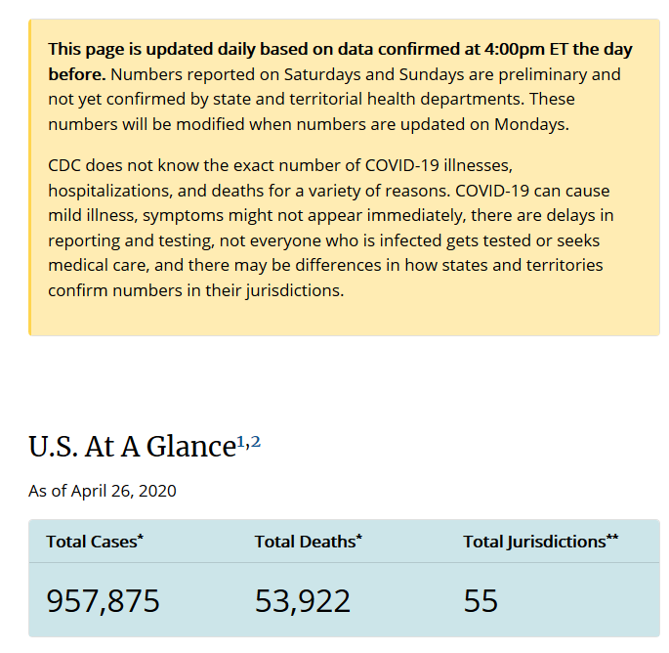
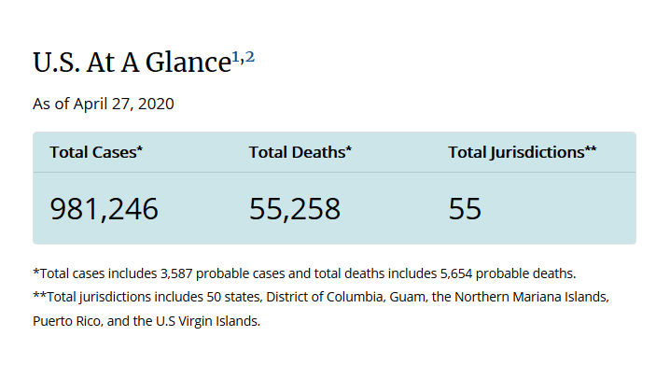
CDC numbers on 23 April | Note the date is wrong
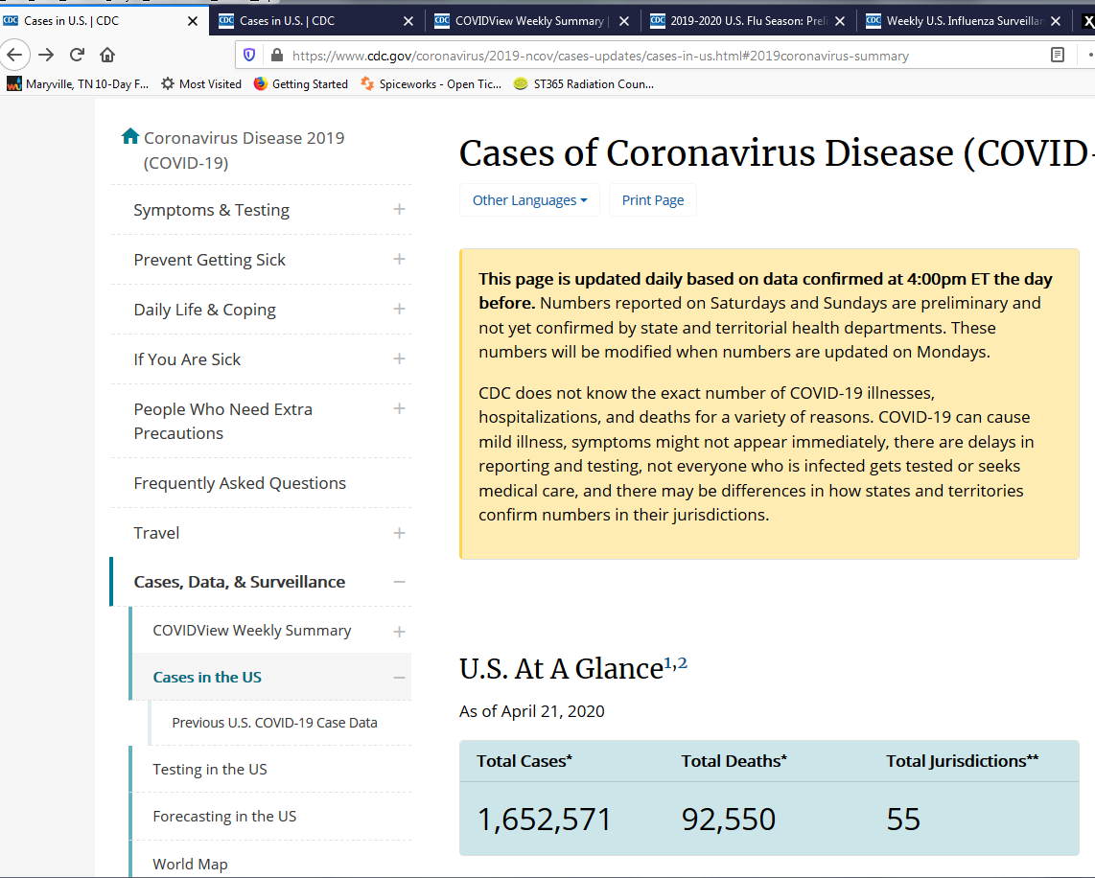

24 April Updated at 15:30
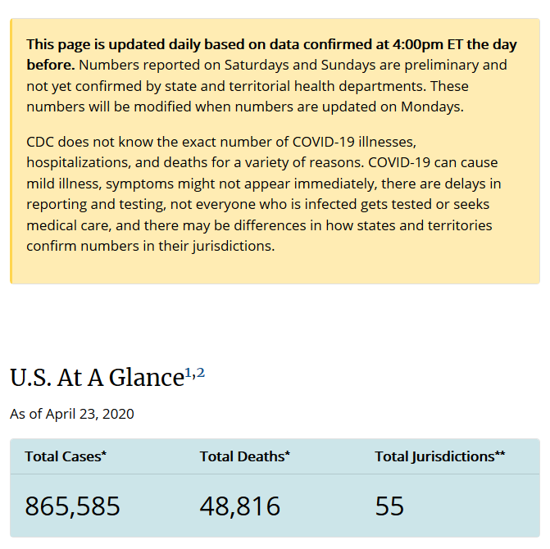

I did not capture 25 April during 25 April.
This was captured 26 April at 17:50 EDT
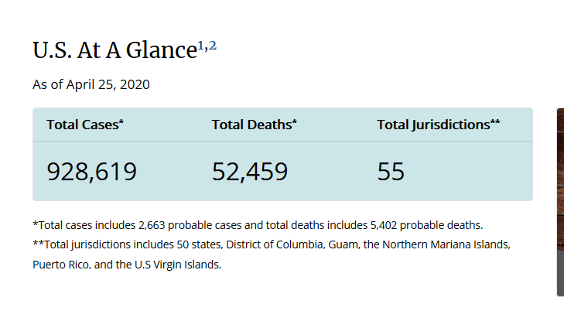

On 27 April at 14:58 I found the following

